Risk Assessment
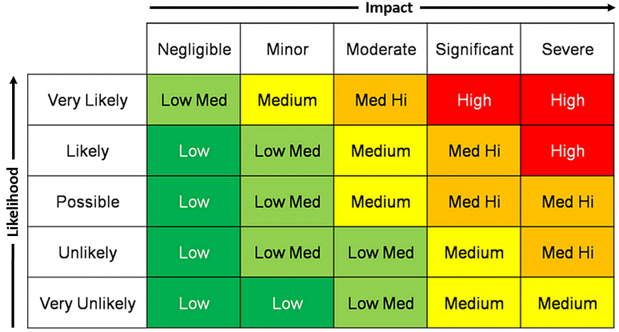

 |  | Project Name | Supermarket Stock Management System
 |  | Project Description | Create a Spring Boot API (Stock Management System) for an end user to interact with via Postman
 |  | Project Owner | Jingke Duan

Risk ID | Date Registered | Risk Area | Risk Description | Likelihood | Level of Impact | Risk Matrix Score | Impact Description | Duration of Impact | Mitigation Strategy
1 | 14.3.2022 | Work not saved | Code produced in eclipse not saved and pushed. | Unlikely | Significant | Medium | Uable to meet intermediate deadlines specified by sprints, may compromise on project quality to meet final submission. | Medium to long term depending on project phase where first occurrence is identified, may persist throughout the remaining project phase. | Regular saving and pushing to online repository after a distinct feature is completed. Use Jira board to mark progress once commited change.
2 | 14.3.2022 | Project not aligning with brief | Context of project does not allow minimum requirement of project been met. | Unlikely | Severe | Med High | Unable to deliver MVP (minimum viable product), project failure | Long-term, throughout the entire project. | Check with trainer to identify whether the planned project is fit to purpose, and that it allows assessment to be made on usage of development tools.
3 | 14.3.2022 | Time management | Estimation of time and effort for a particular task being inaccurate, especially where higher story points should have been allocated. | Likely | Significant | Med High | Uable to meet intermediate deadlines specified by sprints, may compromise on project quality to meet final submission. | Medium to long term depending on project phase where first occurrence is identified, may persist throughout the remaining project phase. | Regularly update the Jira board throughout project and identify that similar tasks have been assigned similar story points, e.g. completion of task 1 would give realistic time estimation for a similar task 2
4 | 14.3.2022 | Hardware unavailability | Laptop performance not optimal, battery issue, hardware damage | Unlikely | Severe | Med High | Not being able to complete project at the required deadline. | Event of occurence is hard to predict, medium to long term impact depending project phase at the time. | Backing up of work files will be exercised. Availability of a second machine is identified in case of hardware failure.
5 | 14.3.2022 | Poor/no internet connection | Internet connection issues, could arise from provider inconsistency and weather conditions | Unlikely | Severe | Med High | Unable to carry out project (working remote). Unable to meet deadline for submission. | Event of occurence is hard to predict, medium to long term impact depending project phase at the time. | Inform provider of any connection issues for technical assistance, so that they can be solved quickly. Otherwise use public internet at an external location.
6 | 14.3.2022 | Software unavailability | Major project software including Jira, Github, eclipse, software to connect to MySQL server not being available | Unlikely | Significant | Medium | Unable to update project progress in Jira and to Github. No access to eclipse and SQL database will interrupt code writing, and their associated deadlines. | Medium to long-term | Manually record project progress until Jira and Github become available for updates. Using IntelliJ for java and TablePlus or Mac terminal when interacting with MySQL server if Workbench is unavailable.
7 | 15.3.2022 | Incomplete Documentation | README file left to last minute, unable to complete due to submission | Likely | Significant | Med High | Not meeting MVP, not adhering to industrial standards and best practice | Short-term. | Ensure code completion and project compilation at least 3-4 hours before submission to give sufficient time to complete documentation; doing recording as project progreeses
8 | 15.3.2022 | Wrong relationships in ERD | Where relationships between multiple tables are incorrect or confusion occurs | Unlikely | Severe | Med High | Project does not meet purpose and carried severe flaws for it to be a viable product. | Medium-term. | Ensure the ERD is properly checked and refer to online resources and check with trainer if unsure,

 |  |  |  |  |  |  |  |  |  |  | Impact
 |  |  |  |  |  |  |  |  |  | Likelihood |  | Negligible | Minor | Moderate | Significant | Severe
 |  |  |  |  |  |  |  |  |  |  | Very Likely | Low Med | Medium | Med High | High | High
 |  |  |  |  |  |  |  |  |  |  | Likely | Low | Low Med | Medium | Med High | High
 |  |  |  |  |  |  |  |  |  |  | Possible | Low | Low Med | Medium | Med High | Med High
 |  |  |  |  |  |  |  |  |  |  | Unlikely | Low | Low Med | Low Med | Medium | Med High
 |  |  |  |  |  |  |  |  |  |  | Very Unlikely | Low | Low | Low Med | Medium | Medium

